calibrations
Bead Calibrations
 | Plot 2 (SSC-A/FL2-A) |  |  |  |  |  |  |  | Plot 4 (FSC-A/FL3-A) |  |  |  | USE THIS ONE (original beads vs FSC-Area) for size estimation
 | All | 3 dim | 3 bright | 2 | 10 trucount | 0.99 | 1.38 | 2 yg | 6 | 10
 | Count | Mean SSC-A | Mean SSC-A | Mean SSC-A | Mean SSC-A | Mean SSC-A | Mean SSC-A | Mean SSC-A | Mean FSC-A | Mean FSC-A
A01 CS&T 2 & 3 um | 10,000 | 291,750 | 320,385 | 136,471 | 421,041 | 0 | 0 | 0 | 1,031,129 | 0
A02 Trucount | 10,000 | 293,164 | 329,819 | 113,106 | 434,820 | 41,986 | 0 | 214,410 | 1,045,858 | 1,855,458
A03 0.99 | 10,000 | 0 | 278,749 | 0 | 359,325 | 40,833 | 86,880 | 200,762 | 0 | 2,441,192
A04 1.38 | 10,000 | 0 | 0 | 0 | 0 | 41,402 | 93,623 | 190,338 | 0 | 0
A05 2 | 10,000 | 334,385 | 271,436 | 0 | 270,990 | 55,445 | 109,533 | 220,451 | 0 | 0
A06 2.76 | 10,000 | 0 | 0 | 0 | 327,842 | 25,200 | 69,589 | 211,066 | 977,912 | 1,892,158
B01 6 | 10,000 | 0 | 0 | 143,302 | 352,195 | 45,119 | 0 | 0 | 1,079,386 | 0
B02 10 | 10,000 | 238,004 | 220,260 | 0 | 0 | 32,969 | 0 | 0 | 0 | 2,171,533

Diameter (um) | SSC-A | FSC-a | SSc-h | FSC-h
3 | 291,750 | 556600 | 431729 | 631941
3 | 320,385 | 594832 | 435497 | 630842
2 | 137,674 | 82428 | 274308 | 115310
 | 433,964 | 556348 | 546049 | 520341 | trucount size? |  |  |  |  |  |  |  |  | 2171535 | 10.157535263
0.99 | 40,808 | 80292 | 60763 | 91818 |  |  |  |  |  |  |  |  |  | 80000 | 1.290251875
1.38 | 93,684 | 177558 | 125106 | 184586
2 | 221,412 | 81619 | 299542 | 72813
2.76 | 346,709 | 495540 | 449463 | 508332
6 | 703,400 | 1079456 | 822620 | 925457
10 | 1,258,903 | 2175340 | 1347828 | 1581619

Using re-calculated data - very similar to original so use original
Re-done | No. | Mean FSC | Mean SSC | Diameter
A03 0.99.fcs | 6827 | 81116 | 42523 | 0.99
A04 1.38.fcs | 5800 | 177587 | 93813 | 1.38
A06 2.76.fcs | 6179 | 492723 | 344961 | 2.76
3dim No. | 4761 | 554974 | 296552 | 3
3 Bright No. | 4112 | 597850 | 323055 | 3
B01 6.fcs | 7322 | 1080863 | 705146 | 6
B02 10.fcs | 973 | 2170026 | 1269154 | 10

 | FSC-a
3 | 556600
3 | 594832
2
2
2.76 | 495540
6 | 1079456
10 | 2175340

Diameter (um) | FSC-a
3 | 556600
3 | 594832 |  |  |  |  |  |  |  |  | SUMMARY OUTPUT
2
2 |  |  |  |  |  |  |  |  |  | Regression Statistics
2.76 | 495540 |  |  |  |  |  |  |  |  | Multiple R | 0.98648740405
6 | 1079456 |  |  |  |  |  |  |  |  | R Square | 0.97315739834
10 | 2175340 |  |  |  |  |  |  |  |  | Adjusted R Square | 0.96778887801
 |  |  |  |  |  |  |  |  |  | Standard Error | 130122.2656
 |  |  |  |  |  |  |  |  |  | Observations | 7

 |  |  |  |  |  |  |  |  |  | ANOVA
 |  |  |  |  |  |  |  |  |  |  | df | SS | MS | F | Significance F
 |  |  |  |  |  |  |  |  |  | Regression | 1 | 3.0692461457E+12 | 3.0692461457E+12 | 181.27106508 | 4.0471540629E-05
 |  |  |  |  |  |  |  |  |  | Residual | 5 | 84659020023 | 16931804005
 |  |  |  |  |  |  |  |  |  | Total | 6 | 3.1539051657E+12

 |  |  |  |  |  |  |  |  |  |  | Coefficients | Standard Error | t Stat | P-value | Lower 95% | Upper 95% | Lower 95.0% | Upper 95.0%
 |  |  |  |  |  |  |  |  |  | Intercept | -279754.77454 | 89294.333549 | -3.1329510331 | 0.025871153879 | -509293.16638 | -50216.382693 | -509293.16638 | -50216.382693
 |  |  |  |  |  |  |  |  |  | Diameter (um) | 244231.51675 | 18140.007543 | 13.463694333 | 4.0471540629E-05 | 197601.14286 | 290861.89064 | 197601.14286 | 290861.89064

images
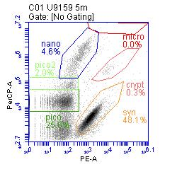
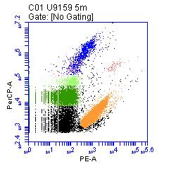
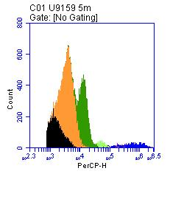
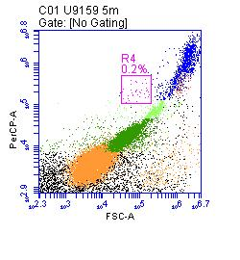
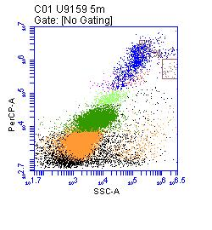
E

